queries
General select all data from a table with conditional | General query for serching a column cell (conditional)
SELECT * FROM Customers | SELECT name
WHERE Country='Mexico'; | FROM titanic
 | WHERE name LIKE 'Miss%';

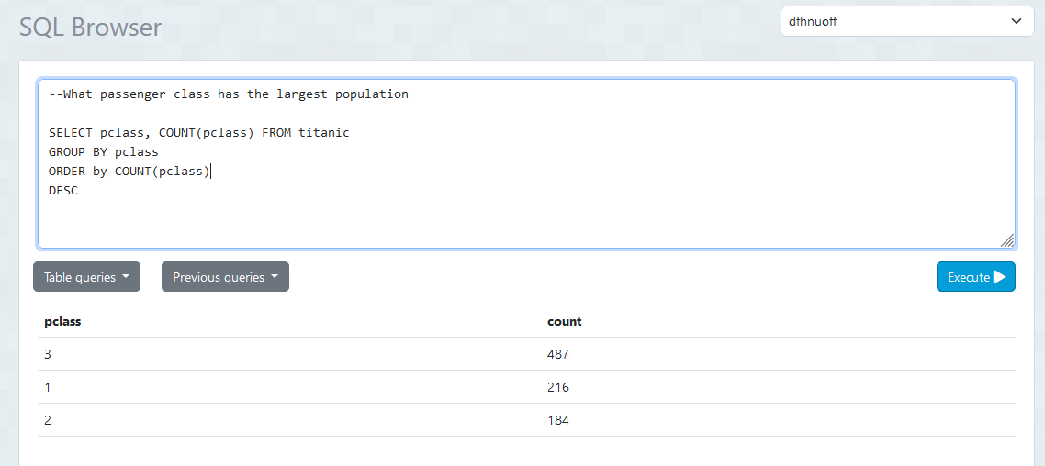
 | obtaining a single value aggregation
 | SELECT SUM(survived) FROM titanic
Query with alias table names
select c.first_name,
c.last_name,
b.brand_name,
p.product_name,
p.amount as prod_amount,
o.order_date,
o.sub_total,
o.total_cost
from customer c, cart ct, orders o, brand b, product p
where c.customer_id = ct.customer_id
and ct.order_id = o.order_id
and b.seller_id = p.seller_id
and p.upc = o.upc

 | SELECT AVG(amount)
 | FROM payment
select c.first_name || ' ' || c.last_name as cust_name, | WHERE amount > 6
count(p.payment_id)
from payment p, customer c
where c.customer_id = p.customer_id
group by cust_name | Max PMT
order by cust_name | select customer_id,
 | count(payment_id)
 | from payment
 | group by customer_id
 | order by count desc

-- Left, Right, Inner, Outer
-- Left/Right join returns all data that is in the corresponding side as well as any that match between it and the opposing side.
-- Inner returns all data that matches between both tables
-- Outer returns all data
-- Merge together Actor and Film Actor tables
-- Inner Join
SELECT CONCAT(first_name, ' ' ,last_name) as full_name, title
FROM film_actor
INNER JOIN actor
ON actor.actor_id = film_actor.actor_id
INNER JOIN film
ON film_actor.film_id = film.film_id;
-- Left hand join on the Actor and Film_Actor tables
SELECT CONCAT(first_name, ' ', last_name) as full_name, film_id, actor.actor_id
FROM film_actor
LEFT JOIN actor
ON actor.actor_id = film_actor.actor_id
WHERE first_name IS NOT NULL OR last_name IS NOT NULL;
-- Right hand join:
SELECT CONCAT(first_name, ' ', last_name) as full_name, film_id, actor.actor_id
FROM film_actor
RIGHT JOIN actor
ON actor.actor_id = film_actor.actor_id;
-- Join to see any info on customers in the country of Brazil
SELECT CONCAT(cu.first_name,' ', cu.last_name) as customer_full_name, cu.email, country
FROM customer as cu
FULL JOIN address as ad
ON cu.address_id = ad.address_id
FULL JOIN city
ON ad.city_id = city.city_id
FULL JOIN country
ON city.country_id = country.country_id
WHERE country = 'Brazil';
 | Min
 | select customer_id,
 | count(payment_id)
 | from payment
 | group by customer_id
 | order by count

Sheet5
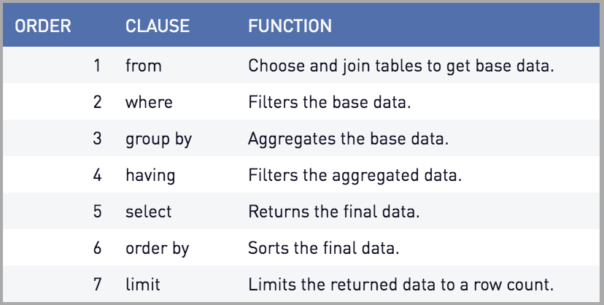
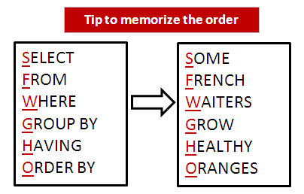
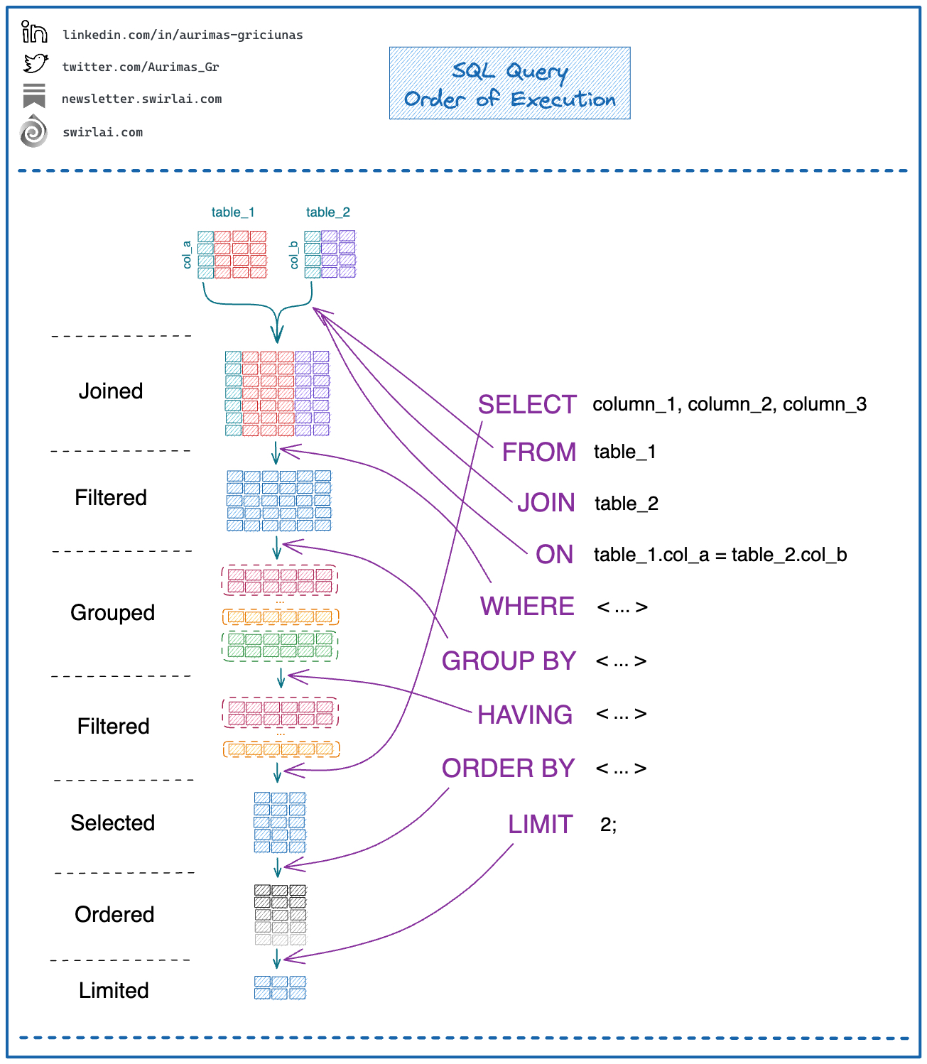
steps to upload dvd_sales_data
Register server
set host name to 'localhost'

Scalling and nosql
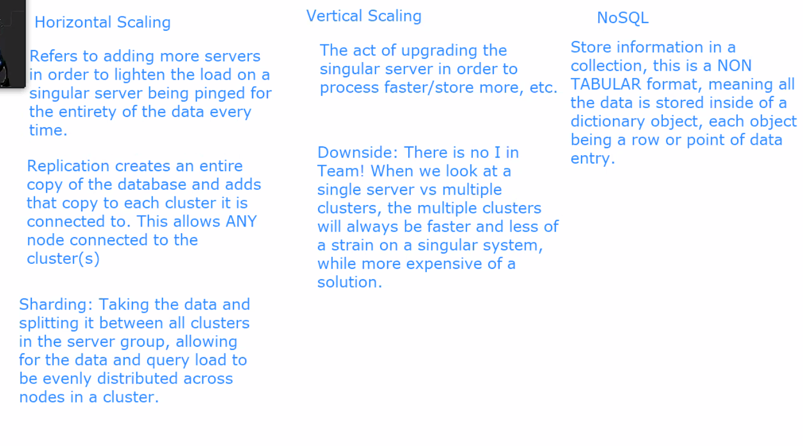

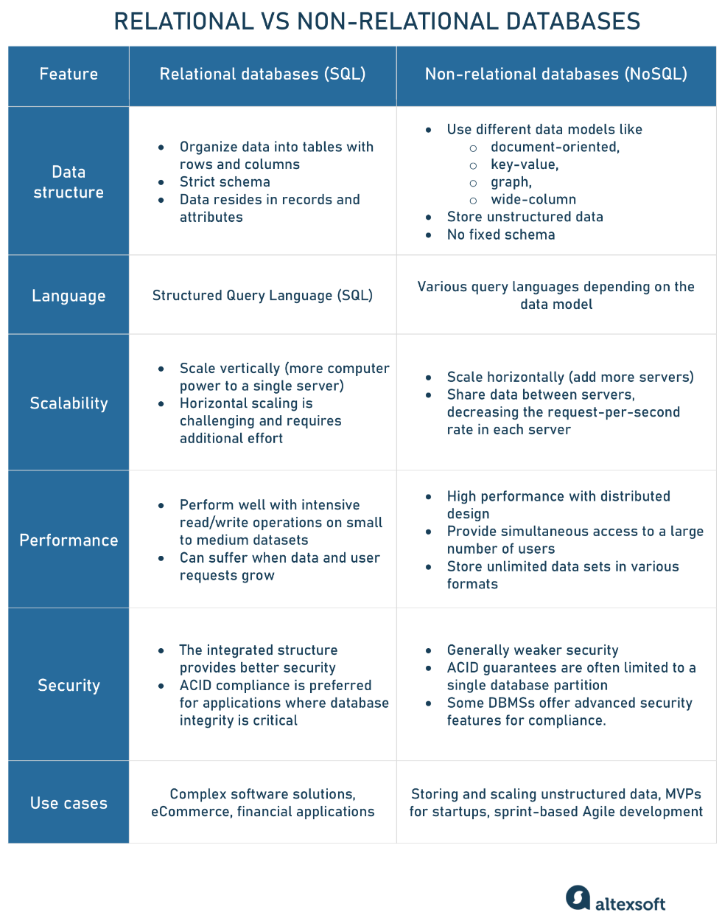
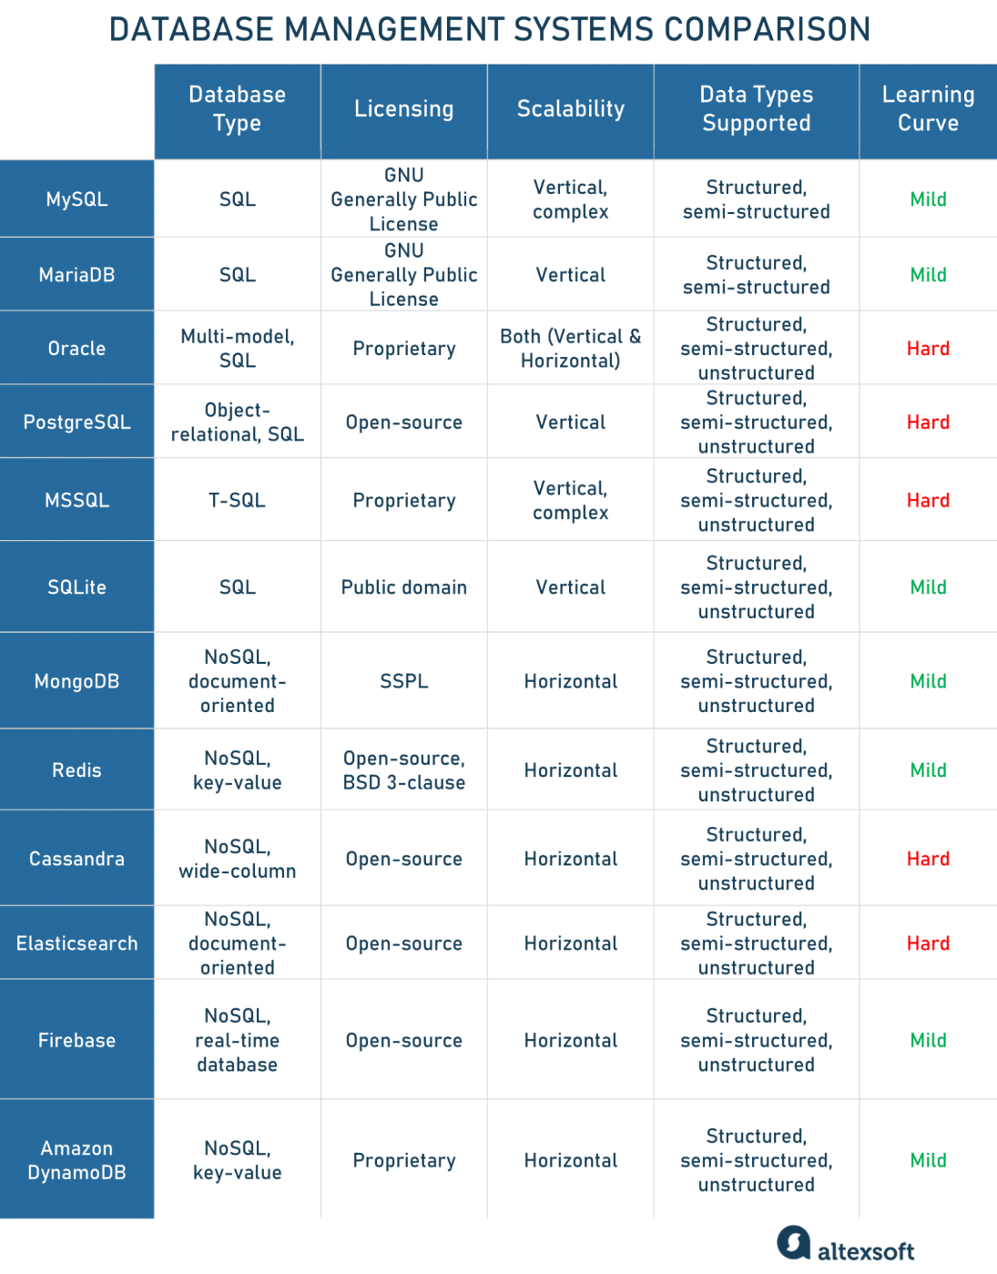

#NAME?

CREATE TABLE IF NOT EXISTS BANK(
customer_id INT NOT NULL,
account_number INT NOT NULL,
balance NUMERIC(10,2),
age INT,
CONSTRAINT aboce_zero CHECK (valance >=0),
CONSTRAINT pri_key_bank PRIMARY KEY (customer_id, account_number)
);

SELECT *
FROM bank;

INSERT INTO bank
VALUES(1,00000,-27,97);

